2-1.6-h1a
2-1.6-h1a stack up and impedance

疊構編號 |  | 2-1.6-h1a |  | 注意事項 |  | 1. Impedance Control tolerance +/- 10%
完成板厚 ( mm ) |  | 1.6 ± 0.16 |  |  |  | 2.请制作 Coupon 并提供 Impedance report
Stack up |  |  |  |  |  | Impedance Request List
 |  |  |  |  |  | Layer Spec | L1 (Ref. Plane) ※ 1 | L4 (Ref. Plane)
 |  |  |  |  | Thickness
 |  |  |  |  | (mil) | Single Ended Type (Trace width : mil)
L1 | Top |  |  |  | 1.7 | 45Ω | (D1)5/35/5(D1) (L1/L2)※ 2 | (D1)5/35/5(D1) (L1/L2)※ 2
 |  | Core |  |  | 57.6 | 50Ω | (D1)5/23/5(D1) (L1/L2)※ 2 | (D1)5/23/5(D1) (L1/L2)※ 2
L2 | Bottom |  |  |  | 1.7 | 75Ω | (D1)6/5/6(D1) (L1/L2)※ 2 | (D1)6/5/6(D1) (L1/L2)※ 2

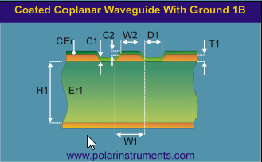

 |  |  |  |  |  | Differential Type (Trace width/ Space /Trace width: mil)
 |  |  |  |  |  | 100Ω | (D1)5/7/6/7/5(D1)(L1/L2)※ 2 | (D1)5/7/6/7/5(D1)(L1/L2)※ 2
 |  |  |  |  |  | 90Ω | (D1)5/9/5/9/5(D1)(L1/L2)※ 2 | (D1)5/9/5/9/5(D1)(L1/L2)※ 2
 |  |  |  |  |  | 85Ω | (D1)5/11.5/5/11.5/5(D1)(L1/L2)※ 2 | (D1)5/11.5/5/11.5/5(D1)(L1/L2)※ 2
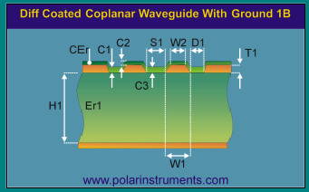

 |  |  |  |  |  | Remark:
 |  |  |  |  |  | ※ 1: "Ref. Plane" means the reference plane of the traces.
 |  |  |  |  |  | ※ 2: This is coplanar model.

 |  |  | Total |  | 61.00
 | =2116+4 1/1+ 7630*2 +4 1/1+7630*2+4 1/1+2116 = 0.18+0.75+0.36+0.75+0.36+0.75+0.18 =3.33

